Sheet1
Champion Hoodies
Style #: CHM444
Total Quantity: 1,708
Total Cartons: 81

CTN | ITEM | COLOR | SIZES |  |  |  |  | QTY PER CTN | TOTAL CTNS | TOTAL PCS
 |  |  | S | M | L | XL | XXL
1-9 | Mens Hoodie | Off White - 1 | 8 | 8 | 4 | 4 | 4 | 28 | 15 | 420
18-19 | Mens Hoodie | Off White - 2 | 4 | 8 | 8 | 8 |  | 28 | 8 | 224
26-35 | Mens Hoodie | LT Green | 4 | 8 | 8 | 4 | 4 | 28 | 10 | 280
37-48 | Mens Hoodie | Black | 4 | 8 | 8 | 4 | 4 | 28 | 10 | 280
54-57 | Mens Hoodie | Grey Mel - 2 | 8 | 8 | 4 | 4 | 4 | 28 | 10 | 280
66 | Mens Hoodie | Grey Mel - 1 | 4 | 10 | 12 | 2 |  | 28 | 1 | 28
68-73 | Mens Hoodie | White | 4 | 8 | 8 | 4 | 4 | 28 | 7 | 196
 |  |  |  |  |  |  |  |  | 61 | 1708

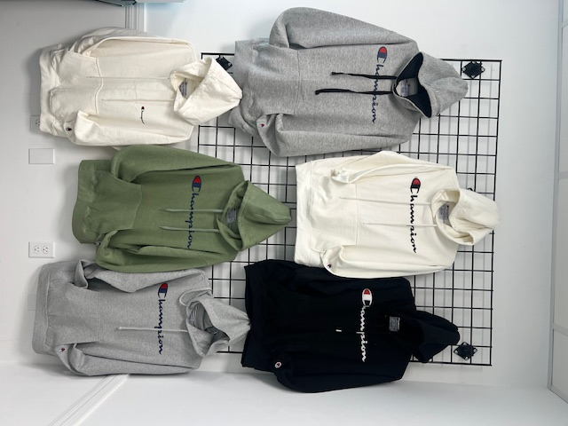
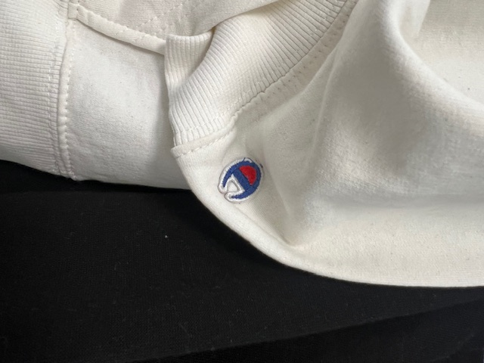
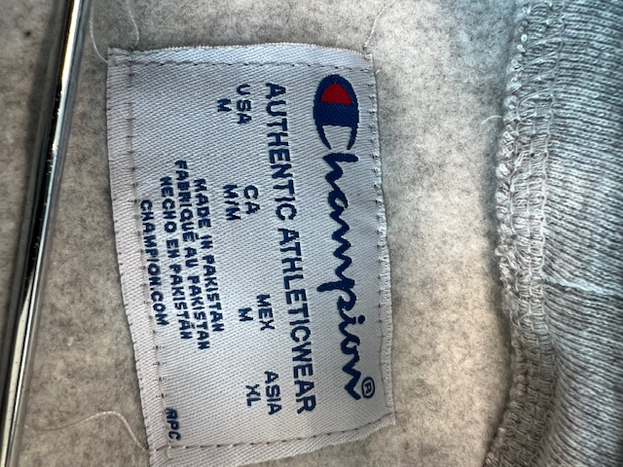

Nautica Hoodies
Style #: 1076
Total Quantity: 1,176
Total Cartons: 42

CTN | ITEM | COLOR | SIZES |  |  |  |  | QTY PER CTN | TOTAL CTNS | TOTAL PCS
 |  |  | S | M | L | XL | XXL
1-43 | Mens Hoodie | Black | 4 | 8 | 4 | 4 | 4 | 28 | 40 | 1120
45 | Mens Hoodie | Navy | 4 | 8 | 5 | 8 | 6 | 28 | 2 | 56
 |  |  |  |  |  |  |  |  | 42 | 1176

